title page


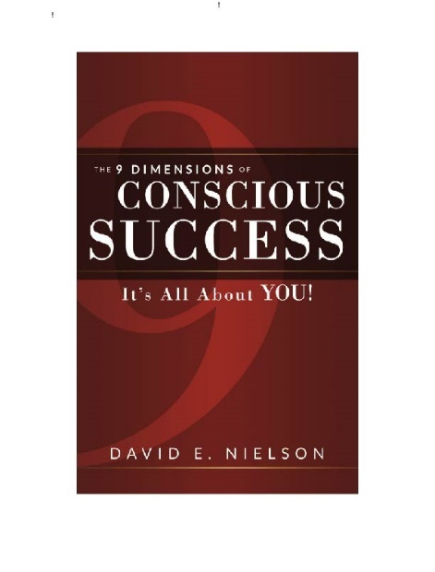

Conscious Success Assessment

 | A model for intentionally achieving
 | success in life

Confidential assessment results for:

Name Here

Prepared by DNA Worldwide

Copyright 2017

overview



Conscious Success Assessment

Conscious Success:
The 9 Dimensions of Conscious Success - It's All About YOU!

The Conscious Success Model was developed based on many years observing and consulting to a wide variety of organizations, as well as the reflective input from a wide variety of people interviewed for this book. Simply stated; there is a more efficient way to successfully chart your path through life than trial and error. Learn the model to learn how to accelerate your own Conscious Success. By understanding the model, and then looking at your own assessment results and recommendations, you can build your specific Action Plan.
This report contains the results from the Conscious Success Assessment you took online. The report is designed to coordinate with the book “Conscious Success – It’s All About YOU!"
The Conscious Success Model is comprised of Nine Dimensions – three foundations that support six additional differentiators –which effectively establish a roadmap for intentionally improving your career and life.

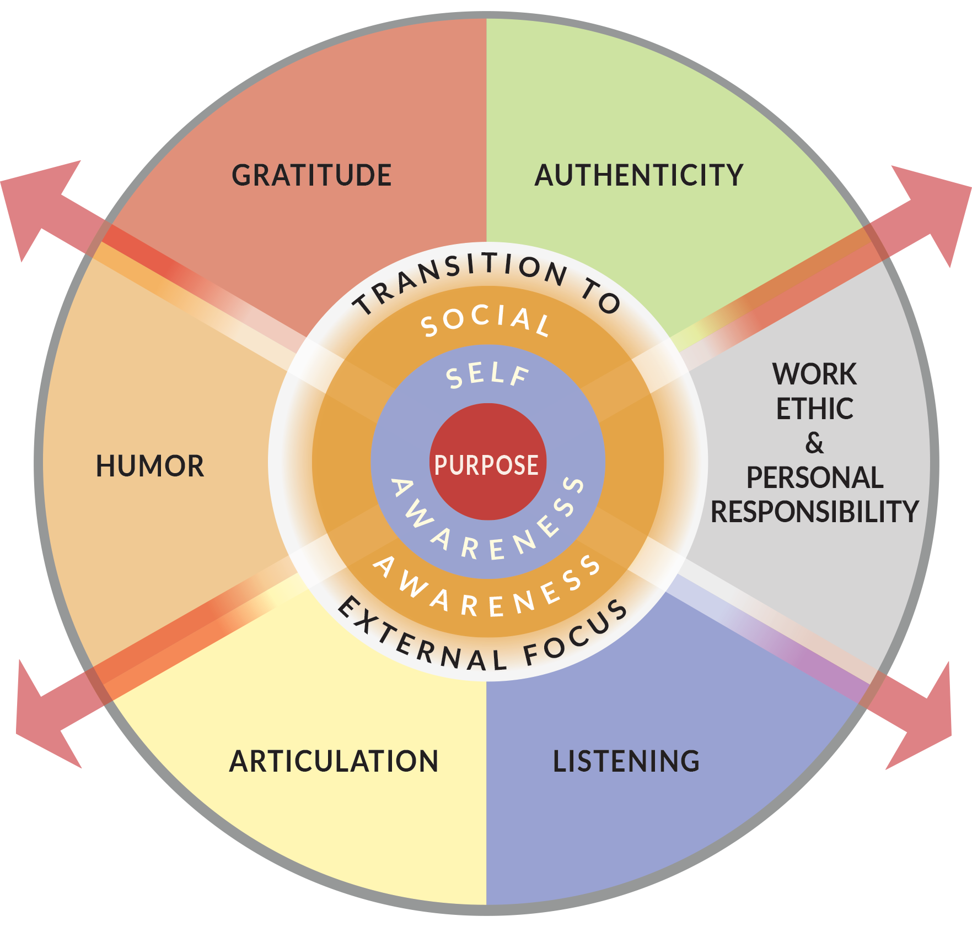

As you review your results in each of the dimensions above, you will see a series of recommendations for next steps which are meant to help you create your roadmap for success.
Best of luck to you! Please visit us at www.dnaworldwide.net for more support along your journey.

Purpose
Purpose:
A Foundational Element
I know what I've been put on this earth to do | 3
I know what value I bring | 3
I am aware of what inspires me to take action | 3
I know what my talents and strengths are | 3
There are things I would do regardless of what others think | 3
I have very clear passions | 3

 |  |  |  |  | 3

 |  |  |  |  | 2

 |  |  |  |  | 1

Scoring: Each point on the chart above represents your score for that item

Circle any items on the inner circle, as those are your lowest items (1). Take a look at the items on the middle circle, as those items are worth looking into as well (2). Use the table below for recommendations that correspond to your scores.

Scoring Key: | 3 = Very Strong area for you |  |  | 2 = Consider enhancing this area |  | 1 = Area for in-depth focus

Question |  | Score | Recommendation

I know what I've been put on this earth to do |  | 3 | Look no further! You've got this covered!
 |  | 2 | Explore your interests and talents. Track what makes you excited and what you gravitate toward doing most.
 |  | 1 | Ask 5 people you know to share with you what they see as your top talents.

I know what value I bring |  | 3 | Well done!
 |  | 2 | Think of a time someone gave you positive feedback, what was it which generated the positive feedback?
 |  | 1 | Ask 5 people you know to describe you when you are at your best in 5 adjectives.

I am aware of what inspires me to take action |  | 3 | Congratulations!
 |  | 2 | Think of the last few times you got something done quickly or went out of your way to do something.
 |  | 1 | Keep a daily journal of things you are interested in and actually do. How are they different than the things you don't do?

I know what my talents and strengths are |  | 3 | Keep up the great work!
 |  | 2 | Keep track of things that you naturally excel in. What do you do well with almost no effort?
 |  | 1 | Ask others what they depend on you for because you do it best.

There are things I would do regardless of what others think |  | 3 | Look no further! You've got this covered!
 |  | 2 | Take notice of times you do not do what you think you should or want to do.
 |  | 1 | Track what makes you feel judged, or when you don't feel comfortable doing what you want to do.

I have clear passions |  | 3 | Well done!
 |  | 2 | Write down things you care about and make you happy. Write a bucket list of things you want to do before you die. Notice the patterns of things in your "bucket list" - experiences / places / learning etc.
 |  | 1 | Notice whether you care most about people, processes, places, or things.

Self Awareness
Self Awareness:
A Foundational Element
I know what I’m not good at | 3
I understand how my interactions impact my mood/reactions | 3
I’m aware when my actions are not in alignment with my personal values and beliefs | 3
I frequently take time to disconnect and give myself a break | 1
I often pay attention to how I’m feeling physically | 3
I’m aware of how my body language impacts my social interactions | 3

 |  |  |  |  | 3

 |  |  |  |  | 2

 |  |  |  |  | 1

Scoring: Each point on the chart above represents your score for that item

Circle any items on the inner circle, as those are your lowest items (1). Take a look at the items on the middle circle, as those items are worth looking into as well (2). Use the table below for recommendations that correspond to your scores.

Scoring Key: | 3 = Very Strong area for you |  |  | 2 = Consider enhancing this area |  | 1 = Area for in-depth focus

Question |  | Score | Recommendation

I know what I'm not good at |  | 3 | Look no further! You've got this covered!
 |  | 2 | What are the things that are hardest for you to do? What things do you get feedback about that you need to “work on?” What things do you tend to procrastinate on?
 |  | 1 | Ask friends and family members to tell you the things they would “never” ask you to do!

I understand how my interactions impact my mood / reactions |  | 3 | Congratulations!
 |  | 2 | What is going on when you are having an emotion? What is causing it?
 |  | 1 | Take notice of your emotions – when are you feeling mad, sad, angry, frustrated, happy, surprised etc.

I'm aware when my actions are not in alignment with my personal values and beliefs |  | 3 | Keep up the great work!
 |  | 2 | When have you regretted doing something and realized it was against your core?
 |  | 1 | Review the Values Activity on (page 1 of the appendix).

I frequently take time to disconnect and give myself a break |  | 3 | Look no further! You've got this covered!
 |  | 2 | Find time once per week to shut off phones, computers, and all technology for a minimum of 4 hours.
 |  | 1 | Track your days and find the times you are feeling stretched thin, bored, or overwhelmed. Take a 2 hour break – go do something fun, relaxing, or simply meditative.

I often pay attention to how I'm feeling physically |  | 3 | Keep up the great work!
 |  | 2 | Keep a daily journal and record how you feel morning, noon and night (emotionally and physically).
 |  | 1 | Take a moment before important interactions (meetings, 1:1s, etc.) to assess; am I tired, not feeling well, confused etc.

I'm aware of how my body language impacts my social interactions |  | 3 | Well done!
 |  | 2 | Next time you go into a room of people, watch their body language and other reactions to you.
 |  | 1 | Before entering a room, decide to play with your body language and see how others react. Try a few things.

Social Awareness
Social Awareness:
A Foundational Element

I frequently reflect upon how others receive me | 3
I know the things I do that bother others | 3
I watch for cues from others about how they feel about me | 3
I surround myself with people who align with my values and beliefs | 3
When having a conversation with someone who has opposing views to mine, I can easily set aside my thoughts to understand their point of view | 3
I accurately pick up on the emotions in other people | 3

 |  |  |  |  | 3

 |  |  |  |  | 2

 |  |  |  |  | 1

Scoring: Each point on the chart above represents your score for that item

Circle any items on the inner circle, as those are your lowest items (1). Take a look at the items on the middle circle, as those items are worth looking into as well (2). Use the table below for recommendations that correspond to your scores.

Scoring Key: | 3 = Very Strong area for you |  |  | 2 = Consider enhancing this area |  | 1 = Area for in-depth focus

Question |  | Score | Recommendation

I frequently reflect upon how others receive me |  | 3 | Well done!
 |  | 2 | When interacting with others, ask for them to recapture their understanding of the conversation and see if it matches what you had intended. Did your intent match your impact?
 |  | 1 | Keep notes for a day reflecting on each person you interacted with and how they reacted to you.

I know the things I do that bother others |  | 3 | Look no further! You've got this covered!
 |  | 2 | Ask others for feedback on what they would like you to keep doing, start doing, and stop doing.
 |  | 1 | Pause to reflect on other’s mannerisms and non-verbal cues – can you read hints about their reactions to you?

I watch for cues from others about how they feel about me |  | 3 | Congratulations!
 |  | 2 | Listen to how others interact with you – do they interrupt, argue, look down and agree or do they smile, nod, and positively engage in the conversation?
 |  | 1 | Start by monitoring other’s reactions to you – do you notice when others look away, walk away, or change the subject?

I surround myself with people who align with my values and beliefs |  | 3 | Keep up the great work!
 |  | 2 | Complete the Values Activity (Appendix 1, page 12 of this report) and note friends/family who have similar values as you.
 |  | 1 | Draw a circle with you in the middle. Then draw another circle 1 inch wider and write the names of your closest friends and family members that you are with the most. Do they have similar values/beliefs as you?

When having a conversation with someone who has opposing views to mine, I can easily set aside my thoughts to understand their point of view |  | 3 | Well done!
 |  | 2 | Observe your openness to other viewpoints, ask whether others have felt heard by you.
 |  | 1 | Practice the Socratic method: ask only questions. Be curious and ask open-ended questions to allow others to explain their thinking (why, how, what next, help me understand, explain more, what if).

I accurately pick up on the emotions in other people |  | 3 | Congratulations!
 |  | 2 | Pause to notice the facial display and body posture of those you interact with. Ask them to identify how they are feeling to see if you gauged correctly. Review the Wheel of Emotions Activity (in Appendix 2, page 13 of this report).
 |  | 1 | Read the following article and begin studying emotions of others: https://www.forbes.com/sites/brucelee/2017/09/09/here-are-the-27-different-human-emotions-according-to-a-study/

Authenticity
Authenticity:
A Key Differentiator
I am consistently my truest self | 3
I share information about myself so others can know more about me | 3
I am able to be truly “me” regardless of what others think | 3
I express my true feelings and opinions, even when they are not popular | 3
People know what to expect from me | 3
I always say what I mean | 3

 |  |  |  |  | 3

 |  |  |  |  | 2

 |  |  |  |  | 1

Scoring: Each point on the chart above represents your score for that item

Circle any items on the inner circle, as those are your lowest items (1). Take a look at the items on the middle circle, as those items are worth looking into as well (2). Use the table below for recommendations that correspond to your scores.

Scoring Key: | 3 = Very Strong area for you |  |  | 2 = Consider enhancing this area |  | 1 = Area for in-depth focus

Question |  | Score | Recommendation

I am consistently my truest self |  | 3 | Congratulations!
 |  | 2 | Reflect on the last time you felt truly you. What were you doing and how can you be more of that?
 |  | 1 | What defines you when you are your best self? How can you integrate those elements into every situation?

I share information about myself so others can know more about me |  | 3 | Look no further! You've got this covered!
 |  | 2 | Conversation is give and take – as others share something with you, find something to share with them.
 |  | 1 | Develop a list of 5 things everyone should know about you and share them as you are comfortable.

I am able to be truly “me” regardless of what others think |  | 3 | Well done!
 |  | 2 | Take note of when you modify your actions around others. Who are they and why do you feel compelled to modify yourself?
 |  | 1 | Who are the people you can be yourself with? How can you find ways to connect with others in a way that will allow you to be your full self?

I express my true feelings and opinions, even when they are not popular |  | 3 | Keep up the great work!
 |  | 2 | Write down times you shared your honest thoughts and were glad you did? How can you do this in other situations as well?
 |  | 1 | Prepare for situations when you need to voice your thoughts by being clear on your purpose and intent, being calm about the result or judgement, and after you share your thinking, ask for reflection by those who received your message.

People know what to expect from me |  | 3 | Look no further! You've got this covered!
 |  | 2 | How are you acting in alignment with your true self in your interactions with others? Notice when you are not.
 |  | 1 | Have conversations with people you interact with the most about your values and needs, clarify expectations you have of them, and check in frequently to ensure they understand where you stand.

I always say what I mean |  | 3 | Well done!
 |  | 2 | Record how frequently you regret not saying something you wanted to say or when someone misunderstands what you meant.
 |  | 1 | Next time you are having a conversation that really matters, take a step back to determine what outcome you would like to achieve and build that intention into your message.

Work Ethic
Work Ethic and Personal Responsibility:
A Key Differentiator

I do what I say I’m going to do | 3
I quickly accept personal responsibility when expectations are not met | 3
I do not allow blame to be placed on others when something goes wrong | 3
I take time to be sure others are clear on what to expect from me | 3
I am willing to make personal sacrifices to do a great job | 3
I make sure that I am able to meet expectations before I say “yes” to something | 3

 |  |  |  |  | 3

 |  |  |  |  | 2

 |  |  |  |  | 1

Scoring: Each point on the chart above represents your score for that item

Circle any items on the inner circle, as those are your lowest items (1). Take a look at the items on the middle circle, as those items are worth looking into as well (2). Use the table below for recommendations that correspond to your scores.

Scoring Key: | 3 = Very Strong area for you |  |  | 2 = Consider enhancing this area |  | 1 = Area for in-depth focus

Question |  | Score | Recommendation

I do what I say I’m going to do |  | 3 | Well done!
 |  | 2 | When committing to something to someone, immediately reserve a spot on your calendar to follow up.
 |  | 1 | Designate 1-2 hours one day per week to reflect on items you need to follow-up on and do it! Use a list or an app such as “AnyList” to keep track of items you’ve committed to do.

I quickly accept personal responsibility when expectations are not met |  | 3 | Look no further! You've got this covered!
 |  | 2 | When someone is disappointed in your results, pause and take a breath before responding, then apologize with a request for re-clarification of expectations so you can try again.
 |  | 1 | Take a look at what you are committing to, whether it is too much or the wrong thing, and who you are working accountable to. What can you do to feel comfortable taking ownership of making a situation “right” by both parties? Close each conversation with a request for clarity: “Can you tell me what your understanding is?” so there is a clear agreement on expectations.

I do not allow blame to be placed on others when something goes wrong |  | 3 | Keep up the great work!
 |  | 2 | Focus on not reacting at all when something goes wrong. Pause quietly and respond later. In the meantime, eliminate blaming and justifying non results.
 |  | 1 | Stop blaming or justifying and replace with option generation to produce results.

I take time to be sure others are clear on what to expect from me |  | 3 | Look no further! You've got this covered!
 |  | 2 | End each conversation (yes each one) with a clarification of what you are accountable to: “in closing, I’ll be getting back to you by Friday regarding the information you need from me.”
 |  | 1 | Paraphrase your understanding of what someone is asking to you so you are sure you understand their request before agreeing to comply. Do this with all interactions and track for a period of one week to solidify the behavior.

I am willing to make personal sacrifices to do a great job |  | 3 | Congratulations!
 |  | 2 | Make a connection between your values and your work so they are aligned. This is when your drive for performance is worth sacrifice.
 |  | 1 | Take note of what you are willing to sacrifice and what you are not. Focus on solid performance without sacrificing your boundaries. Be willing to communicate your boundaries to others.

I make sure that I am able to meet expectations before I say “yes” to something |  | 3 | Look no further! You've got this covered!
 |  | 2 | Keep your calendar organized. Take time to respond with an agreement in order to verify your ability.
 |  | 1 | Clarify what is necessary to do the work well and ask for more time to gain what you need in order to meet expectations. Be willing to say no to those things you are unable or unwilling to do.

Listening
Listening:
A Key Differentiator

I do not interrupt other people | 2
I often repeat what someone has said to me to ensure I’ve understood them | 3
I am genuinely interested in what others have to say | 3
It is easy for me to set aside my own thoughts to listen to someone else | 2
I’ve been told people feel understood when I listen to them | 2
Listening to others helps me connect with them | 3

 |  |  |  |  | 3

 |  |  |  |  | 2

 |  |  |  |  | 1

Scoring: Each point on the chart above represents your score for that item

Circle any items on the inner circle, as those are your lowest items (1). Take a look at the items on the middle circle, as those items are worth looking into as well (2). Use the table below for recommendations that correspond to your scores.

Scoring Key: | 3 = Very Strong area for you |  |  | 2 = Consider enhancing this area |  | 1 = Area for in-depth focus

Question |  | Score | Recommendation

I do not interrupt other people |  | 3 | Look no further! You've got this covered!
 |  | 2 | Start paying attention to when you interrupt and pause. Find a mechanism that works to hold your thought while you wait to speak (note pad, etc.)
 |  | 1 | Ask others to tell you when you interrupt so you can be more aware. Ask for feedback on your progress.

I often repeat what someone has said to me to ensure I’ve understood them |  | 3 | Keep up the great work!
 |  | 2 | Close your conversations with a quick recap of what you heard! “Let me summarize what I heard. . . . . . Did I get that right?”
 |  | 1 | Send a quick email or text to verify what you understood from your conversation/correspondence. Notice when you are missing elements of conversations.

I am genuinely interested in what others have to say |  | 3 | Look no further! You've got this covered!
 |  | 2 | Always be open to learning something new or a surprising benefit from all connections with others.
 |  | 1 | Seek connections to your general interests and values and make those connections in your course of correspondence. Make a list of some standard questions to ask others to reinforce a connection with them.

It is easy for me to set aside my own thoughts to listen to someone else |  | 3 | Well done!
 |  | 2 | Enter conversations with a curious mind. Challenge yourself to ask only questions and make no judgements or give advice.
 |  | 1 | When your mind wanders or your problem solving brain gets in the way, take a breath and count to 5 to give them your full attention. Ask them to repeat things you miss and be honest about your distractions. Stay focused and minimize distractions – TV, phone, texting, etc.

I’ve been told people feel understood when I listen to them |  | 3 | Look no further! You've got this covered!
 |  | 2 | Try using positive connecting words such as: “wow that must be…,” “tell me more,” “I’m so impressed,” “Help me understand.”
 |  | 1 | Ask more questions. Try to put yourself in their shoes and anticipate their needs.

Listening to others helps me connect with them |  | 3 | Congratulations!
 |  | 2 | Think like a detective and look for clues you can connect to with others solely through “hearing” what they are saying.
 |  | 1 | Follow-up with your interactions by making connections to what you heard from them: “I know you’re in a tough situation right now, glad we were able to take a few minutes to connect. Let me know how I can support you.”

Articulation
Articulation:
A Key Differentiator

When I speak to others they understand what I’ve said | 3
I customize my communication effort to ensure my message will be understood | 3
I always verify that what I communicated was understood as I had intended | 2
I am cautious about using simple language (i.e. emojis, abbreviations, text messages, etc.) to communicate with others in a work environment | 2
I often choose to speak with someone via phone or in person to avoid misunderstandings | 3
I am always intentional about the purpose behind my message | 3

 |  |  |  |  | 3

 |  |  |  |  | 2

 |  |  |  |  | 1

Scoring: Each point on the chart above represents your score for that item

Circle any items on the inner circle, as those are your lowest items (1). Take a look at the items on the middle circle, as those items are worth looking into as well (2). Use the table below for recommendations that correspond to your scores.

Scoring Key: | 3 = Very Strong area for you |  |  | 2 = Consider enhancing this area |  | 1 = Area for in-depth focus

Question |  | Score | Recommendation

When I speak to others they understand what I’ve said |  | 3 | Look no further! You've got this covered!
 |  | 2 | Check for understanding and note discrepancies. How can you increase your clarity? “Was anything I said unclear to you?”
 |  | 1 | Notice others who are very clear and identify ways you can do more of what they do. Make a list of others who you find to be good communicators.

I customize my communication effort to ensure my message will be understood |  | 3 | Keep up the great work!
 |  | 2 | Write down each recipient of your message. What do they need to hear and how do they need to hear it? Ask them if you don’t know.
 |  | 1 | When preparing a message, think of your intended outcome and design the message to achieve it, rather than saying what you feel you need to say. Try to use the 3 Step Comm. Model – Tell them what you’ll tell them/Tell them/Tell them what you told them.

I always verify that what I communicated was understood as I had intended |  | 3 | Congratulations!
 |  | 2 | Ask others to repeat what you have said – “Just so we’re clear, would you mind repeating?”
 |  | 1 | Do a “listening check” and directly ask if what you communicated was clear. Verify what they heard.

I am cautious about using simple language (i.e. emojis, abbreviations, text messages, etc.) to communicate with others in a work environment |  | 3 | Look no further! You've got this covered!
 |  | 2 | Know your audience. It is easy to get lazy and treat everyone the same. Use emoji’s as an added connection but not as a way to provide a message.
 |  | 1 | Challenge yourself to expand to full sentences and paragraphs rather than short and direct communication when you feel someone is not “getting it”. It does not work for everyone. Connection and clarity happen with more content.

I often choose to speak with someone via phone or in person to avoid misunderstandings |  | 3 | Well done!
 |  | 2 | Choose multiple methods of communication. Follow-up with an email to confirm messaging or pick up the phone/schedule a meeting for more detailed conversations.
 |  | 1 | Take note of when things are best handled in person and be sure not to put off the voice/face connection for the ease of texting or emailing – especially very important conversations. Connect with each individual weekly.

I am always intentional about the purpose behind my message |  | 3 | Keep up the great work!
 |  | 2 | Be clear on your intended outcome, then craft the message. Anticipate their reactions/needs.
 |  | 1 | Check in with your instincts and connect with your values before determining what to say or how to say it. Did your impact match your intent?

Humor
Humor:
A Key Differentiator

I don’t take things too seriously | 3
Others find me funny | 3
I believe life is too short to be serious all the time | 3
I find humor to be helpful in keeping things in perspective | 3
I understand there is a time and a place for humor | 3
My humor is usually received well | 3

 |  |  |  |  | 3

 |  |  |  |  | 2

 |  |  |  |  | 1

Scoring: Each point on the chart above represents your score for that item

Circle any items on the inner circle, as those are your lowest items (1). Take a look at the items on the middle circle, as those items are worth looking into as well (2). Use the table below for recommendations that correspond to your scores.

Scoring Key: | 3 = Very Strong area for you |  |  | 2 = Consider enhancing this area |  | 1 = Area for in-depth focus

Question |  | Score | Recommendation

I don’t take things too seriously |  | 3 | Well done!
 |  | 2 | Come up with a mantra to remind yourself to have fun, relax, and not to sweat the small stuff. Use the mantra in an affirmation daily. Post it on your bathroom mirror and change it weekly.
 |  | 1 | Notice when you are frustrated and put it into context – how bad is it? What could be worse? Remind yourself to keep things in proper perspective. Google Norman Cousins – see appendix.

Others find me funny |  | 3 | Congratulations!
 |  | 2 | Actively look through joke books, comics, or any source where you find funny material and share them with others in opportune moments.
 |  | 1 | Each day, reflect on the moments/situations that had humor. What could you do in similar situations in the future to bring out the humor in those moments? Consider journaling the moments each day/week.

I believe life is too short to be serious all the time |  | 3 | Look no further! You've got this covered!
 |  | 2 | Take a look at your calendar and make space for fun. Whatever version of fun your fun is! Consider a fun activity which is fun with no real objective – it just makes you laugh or feel better.
 |  | 1 | Rank order your daily and weekly experiences in terms of seriousness. What are your opportunities to be more lighthearted? What are some things you can do to infuse more life into your work (i.e. take a walking meeting, work out in the middle of the day, etc.)?

I find humor to be helpful in keeping things in perspective |  | 3 | Keep up the great work!
 |  | 2 | What are some humorous statements you have used, or seen used, effectively to diffuse challenging situations? Can you use those statements when the opportunity presents itself?
 |  | 1 | Take note of people you are around who use humor effectively (i.e. who do you think is funny?) and determine how you can bring humor to certain situations. Find some books or articles to read on humor or funny stories.

I understand there is a time and a place for humor |  | 3 | Congratulations!
 |  | 2 | What are the scenarios where you think humor is most helpful and when is it not? Talk with a few friends and colleagues and get feedback on your thinking.
 |  | 1 | Reflect on times when humor was or was not appreciated. What about the situation made it work or not work? What can you learn from this and apply in the future? Also think about times humor helped in a tough situation for you.

My humor is usually received well |  | 3 | Look no further! You've got this covered!
 |  | 2 | Jot down the times when humor you use is not received as you intended. What are the common factors – can you learn from those examples in terms of when it is not helpful to use humor (or who is not appreciative!)?
 |  | 1 | Consider the people you use humor with and whether they match your humor style. Is there a way for you to adapt your humor to what they find funny or are there others you can seek out who are more in alignment with your humor?

Gratitude
Gratitude:
A Key Differentiator
I recognize and acknowledge the good things I have | 3
I take time to thank others for what they do, even if it is not something they did for me | 3
I believe others are doing the best they can | 3
I always see the good in things | 3
I give and expect nothing in return | 3
I love to do things that make others feel appreciated | 3

 |  |  |  | 3

 |  |  |  | 2

 |  |  |  | 1

Scoring: Each point on the chart above represents your score for that item

Circle any items on the inner circle, as those are your lowest items (1). Take a look at the items on the middle circle, as those items are worth looking into as well (2). Use the table below for recommendations that correspond to your scores.

Scoring Key: | 3 = Very Strong area for you |  |  | 2 = Consider enhancing this area | 1 = Area for in-depth focus

Question |  | Score | Recommendation

I recognize and acknowledge the good things I have |  | 3 | Look no further! You've got this covered!
 |  | 2 | Keep a daily journal of 1-3 things you are grateful for.
 |  | 1 | Circle days on the calendar when great things happened.

I take time to thank others for what they do, even if it is not something they did for me |  | 3 | Well done!
 |  | 2 | Calendar 1 hour a week to reach out and appreciate people – send cards, email, text or a variety.
 |  | 1 | Find 3 times a day to look someone in the eye and thank them for something, even if it is just for showing up to their job at Walmart so they could serve you in the checkout line. Make it a habit- always thank people for anything they do for you – especially service people – restaurants, retail establishments, airlines, car rental etc.

I believe others are doing the best they can |  | 3 | Keep up the great work!
 |  | 2 | For a week, record tough moments with people and think “they are doing the best they can” – while imagining what the hardest thing they could be going through is and giving them a “break”.
 |  | 1 | Read “Rising Strong” by Brene Brown – learn how to check your assumptions and make positive ones.

I always see the good in things |  | 3 | Look no further! You've got this covered!
 |  | 2 | Keep a positivity jar and write down the positives of a negative situation. Go back to the jar after time has passed to see what the situations turned into.
 |  | 1 | Find a positive person and ask what their secret is. Read “The Happiness Advantage.”

I give and expect nothing in return |  | 3 | Congratulations!
 |  | 2 | Try the “pay it forward” technique where you pay for someone’s drink, lunch, etc. – or do something for them just for the sake of it.
 |  | 1 | Next time someone needs help, just say yes (open a door, grab a bag, etc.)

I love to do things that make others feel appreciated |  | 3 | Well done!
 |  | 2 | Make a list of those who are in your inner circle and find one thing per week you can do to make them feel appreciated – notice what happens.
 |  | 1 | Look at the words of appreciation (Appendix 3, page 14 of this report) and find ways to use them each day.

Appendix1
Appendix 1:
Core Values List

Instructions

Step 1
Review the following list of values and highlight/select the 5 that most closely speak to your core values. Be quick with your selections rather than deliberating over them, as this will get to your most authentic responses. If you are having a time selecting 5, notice themes and pick the one that best fits with your instinct.

Full Core Values List
Curiosity
 | Authenticity |  |  | Kindness |  | Religion
 | Achievement |  | Determination | Knowledge |  | Reputation
 | Adventure |  | Fairness | Leadership |  | Respect
 | Authority |  | Faith | Learning |  | Responsibility
 | Autonomy |  | Fame | Love |  | Security
 | Balance |  | Friendships | Loyalty |  | Self-Respect
 | Beauty |  | Fun | Meaningful Work |  | Service
 | Boldness |  | Growth | Openness |  | Spirituality
 | Compassion |  | Happiness | Optimism |  | Stability
 | Challenge |  | Honesty | Peace |  | Success
 | Citizenship |  | Humor | Pleasure |  | Status
 | Community |  | Influence | Poise |  | Trustworthiness
 | Competency |  | Inner Harmony | Popularity |  | Wealth
 | Contribution |  | Justice | Recognition |  | Wisdom
 | Creativity

Step 2
Create a sentence using all 5 values that expresses how you leverage your values. An example:

Values

Adventurous |  | Creativity | Freedom |  | Inner Harmony |  | Make a Difference

I work intuitively with individuals to focus on inner and external alignment and harmony, while creatively pushing limits and having fun, in order for them to make their impact on the world.

Write your top 5 values.

Write your value statement.

Appendix2
Appendix 2:
The Wheel of Emotions

The Wheel of Emotions
Take a look at the variations of each of the main emotions on the colorful Wheel of Emotions on the right. Draw connection lines between the emotion in the wheel and the face on the left that you think best matches. Discuss with a friend whether you have matched them appropriately and what better matches might be.

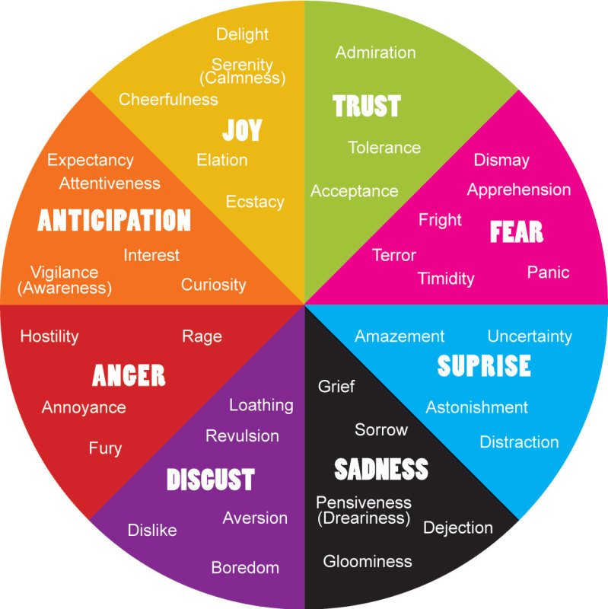



Mindfulschools

Appendix3
Appendix 3:
Words of Appreciation

Instructions

Review these words of appreciation provided below. Try to find ways to use them each day.

Common Words of Appreciation

Thanks | Thank you | I am indebted to you | Dinner was delicious
I appreciate you | You are an inspiration | I am grateful | You are a blessing
You are a true friend | You’re great | This is great | You light up my life
Sincere thanks | You’re the best | You make me happy | You've been very helpful

Words of Appreciation for Gifts

I thank you from the bottom of my heart. |  | Are there no limits to your generosity?
You are so thoughtful and generous in your gift giving. |  | Thank you for the delightful gift.
You are one of the most generous people I know. |  | You must have read my mind, because your gift is exactly what I wanted.
You picked the perfect gift for me. |  | Thanks for being so thoughtful.
Your gift means a lot to me. |  | If you could see my face right now, you'd see a look of gratitude.
Thank you for showering me with gifts for the baby. |  | You made my birthday a special day.
I am grateful for you and your generosity. |  | Thanks for thinking of me; you made my day.

Words of Appreciation for Love, Help & Support

How can we ever thank you enough for all you've done? |  | You helped me right when I needed help most.
If anyone deserves thanks, it's you. |  | I appreciate your support.
You have been extremely supportive through this difficult time. |  | We must thank you for your support at this time.
I want to thank you for all the support and concern. |  | That was very kind of you.
Your support has made me a stronger person and I will forever be grateful. |  | You're my best friend.
Thank you for being there for me always. |  | Taking the time to help me was a very nice thing for you to do.
Thank you for thinking of me and taking the time to be kind. |  | You are the most beautiful thing that has ever happened to me.

Appreciation in the Workplace

You are a great employee. |  | Thank you for giving me the chance to fulfill my potential here.
I want to acknowledge everyone’s extra effort. |  | Your commitment to this project is second to none.
You did an excellent job on that report. |  | I appreciate you supporting me at the meeting.
I want to thank you publicly for your hard work and dedication. |  | You have a winner’s attitude.
Your attitude and work level suits us here, so keep up the good work! |  | Thank you for sharing your vision.
Thank you for sharing your knowledge and experience with me. |  | Your commitment to excellence has inspired others.
You have been a valuable member of our team. |  | We appreciate your innovative thinking.
Your attention to detail puts you at the top. |  | Thank you for taking the initiative and getting it done.

Sheet4
 |  |  |  | Purpose |  |  |  |  |  | Self Awareness |  |  |  |  |  | Social Awareness |  |  |  |  |  | Authenticity |  |  |  |  |  | Work Ethic and Personal Responsibility |  |  |  |  |  | Listening |  |  |  |  |  | Articulation |  |  |  |  |  | Humor |  |  |  |  |  | Gratitude
 |  | Leader: | Name Here | I know what I've been put on this earth to do. | I know what value I bring. | I am aware of what inspires me to take action. | I know what my talents and strengths are. | There are things I would do regardless of what others think. | I have very clear passions. | I know what Iâ€™m not good at. | I understand how my interactions impact my mood/reactions. | Iâ€™m aware when my actions are not in alignment with my personal values and beliefs. | I frequently take time to disconnect and give myself a break. | I often pay attention to how Iâ€™m feeling physically. | Iâ€™m aware of how my body language impacts my social interactions. | I frequently reflect upon how others receive me. | I know the things I do that bother others. | I surround myself with people who align with my values and beliefs. | I accurately pick up on the emotions in other people. | When having a conversation with someone who has opposing view to mine, I can easily set aside my thoughts to understand their point of view. | I watch for cues from others about how they feel about me | I am consistently my truest self. | I share information about myself so others can know more about me. | I am able to be truly â€œmeâ€ regardless of what others think. | I express my true feelings and opinions, even when they are not popular. | People know what to expect from me. | I always say what I mean. | I do what I say Iâ€™m going to do. | I quickly accept personal responsibility when expectations are not met. | I do not allow blame to be placed on others when something goes wrong. | I take time to be sure others are clear on what to expect from me. | I am willing to make personal sacrifices to do a great job. | I make sure that I am able to meet expectations before I say â€œyesâ€ to something. | I do not interrupt other people. | I often repeat what someone has said to me to ensure Iâ€™ve understood them. | I am genuinely interested in what others have to say. | It is easy for me to set aside my own thoughts to listen to someone else. | Iâ€™ve been told people feel understood when I listen to them. | Listening to others helps me connect with them. | When I speak to others they understand what Iâ€™ve said. | I customize my communication effort to ensure my message will be understood. | I always verify that what I communicated was understood as I had intended. | I am cautious about using simple language (i.e., emojis, abbreviations, text messages, etc.) to communicate with others in a work environment. | I often choose to speak with someone via phone or in person to avoid misunderstandings. | I am always intentional about the purpose behind my message. | I donâ€™t take things too seriously. | Others find me funny. | I believe life is too short to be serious all the time. | I find humor to be helpful in keeping things in perspective. | I understand there is a time and place for humor. | My humor is usually received well. | I recognize and acknowledge the good things I have. | I take time to thank others for what they do, even if it is not something they did for me. | I believe others are doing the best they can. | I always see the good in things. | I give and expect nothing in return. | I love to do things that make others feel appreciated.
 |  | Responses: |  | 3 | 3 | 3 | 3 | 3 | 3 | 3 | 3 | 3 | 1 | 3 | 3 | 3 | 3 | 3 | 3 | 3 | 3 | 3 | 3 | 3 | 3 | 3 | 3 | 3 | 3 | 3 | 3 | 3 | 3 | 2 | 3 | 3 | 2 | 2 | 3 | 3 | 3 | 2 | 2 | 3 | 3 | 3 | 3 | 3 | 3 | 3 | 3 | 3 | 3 | 3 | 3 | 3 | 3
 | Purpose data

I know what I've been put on this earth to do | 3
I know what value I bring | 3
I am aware of what inspires me to take action | 3
I know what my talents and strengths are | 3
There are things I would do regardless of what others think | 3
I have very clear passions | 3

 | Self Awareness Data

I know what I’m not good at | 3
I understand how my interactions impact my mood/reactions | 3
I’m aware when my actions are not in alignment with my personal values and beliefs | 3
I frequently take time to disconnect and give myself a break | 1
I often pay attention to how I’m feeling physically | 3
I’m aware of how my body language impacts my social interactions | 3

 | Social Awareness Data

I frequently reflect upon how others receive me | 3
I know the things I do that bother others | 3
I watch for cues from others about how they feel about me | 3
I surround myself with people who align with my values and beliefs | 3
When having a conversation with someone who has opposing views to mine, I can easily set aside my thoughts to understand their point of view | 3
I accurately pick up on the emotions in other people | 3

 | Authenticity Data

I am consistently my truest self | 3
I share information about myself so others can know more about me | 3
I am able to be truly “me” regardless of what others think | 3
I express my true feelings and opinions, even when they are not popular | 3
People know what to expect from me | 3
I always say what I mean | 3

 | Work Ethic and Personal Responsibility Data
I do what I say I’m going to do | 3
I quickly accept personal responsibility when expectations are not met | 3
I do not allow blame to be placed on others when something goes wrong | 3
I take time to be sure others are clear on what to expect from me | 3
I am willing to make personal sacrifices to do a great job | 3
I make sure that I am able to meet expectations before I say “yes” to something | 3

 | Listening Data
I do not interrupt other people | 2
I often repeat what someone has said to me to ensure I’ve understood them | 3
I am genuinely interested in what others have to say | 3
It is easy for me to set aside my own thoughts to listen to someone else | 2
I’ve been told people feel understood when I listen to them | 2
Listening to others helps me connect with them | 3

 | Articulation Data

When I speak to others they understand what I’ve said | 3
I customize my communication effort to ensure my message will be understood | 3
I always verify that what I communicated was understood as I had intended | 2
I am cautious about using simple language (i.e. emojis, abbreviations, text messages, etc.) to communicate with others in a work environment | 2
I often choose to speak with someone via phone or in person to avoid misunderstandings | 3
I am always intentional about the purpose behind my message | 3

 | Humor Data

I don’t take things too seriously | 3
Others find me funny | 3
I believe life is too short to be serious all the time | 3
I find humor to be helpful in keeping things in perspective | 3
I understand there is a time and a place for humor | 3
My humor is usually received well | 3

 | Gratitude Data

I recognize and acknowledge the good things I have | 3
I take time to thank others for what they do, even if it is not something they did for me | 3
I believe others are doing the best they can | 3
I always see the good in things | 3
I give and expect nothing in return | 3
I love to do things that make others feel appreciated | 3

